Instructions
 |  |  | OUTSTANDING EXPENSES

 | INSTRUCTIONS

1 |  | You can ONLY type in the non-shaded cells within the chart.
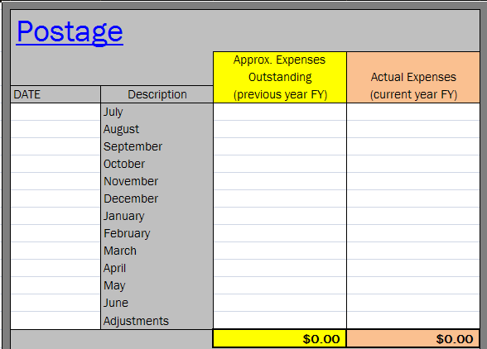

2 |  | Each worksheet has been Protected (locked) but not password protected so you can Unprotect (unlock) and make
 |  | changes as necessary (add rows or columns). If you Unprotect a worksheet ,please, double check all formulas and make
 |  | sure to Protect it when you are finished making changes.

